Total sales
Sum of Sales |  | Coffe Type Name
Years (Order Date) | Months (Order Date) | Arabica | Excelsa | Librica | Robusta
2022 | Feb | 115 | 134 | 91 | 54
Total Sales
2022 Total |  | 115 | 134 | 91 | 54
Grand Total |  | 115 | 134 | 91 | 54

Top Customers
Customers name | Sum of Sales
Allis Wilmore | $317.07
Brenn Dundredge | $307.04
Don Flintiff | $278.01
Nealson Cuttler | $281.67
Terri Farra | $289.11
Grand Total | $1,472.91
Top 5 Customers
 | Total
Don Flintiff | 278.01
Nealson Cuttler | 281.675
Terri Farra | 289.11
Brenn Dundredge | 307.045
Allis Wilmore | 317.07

Dasboard
COFFEE SALES DASHBOARD

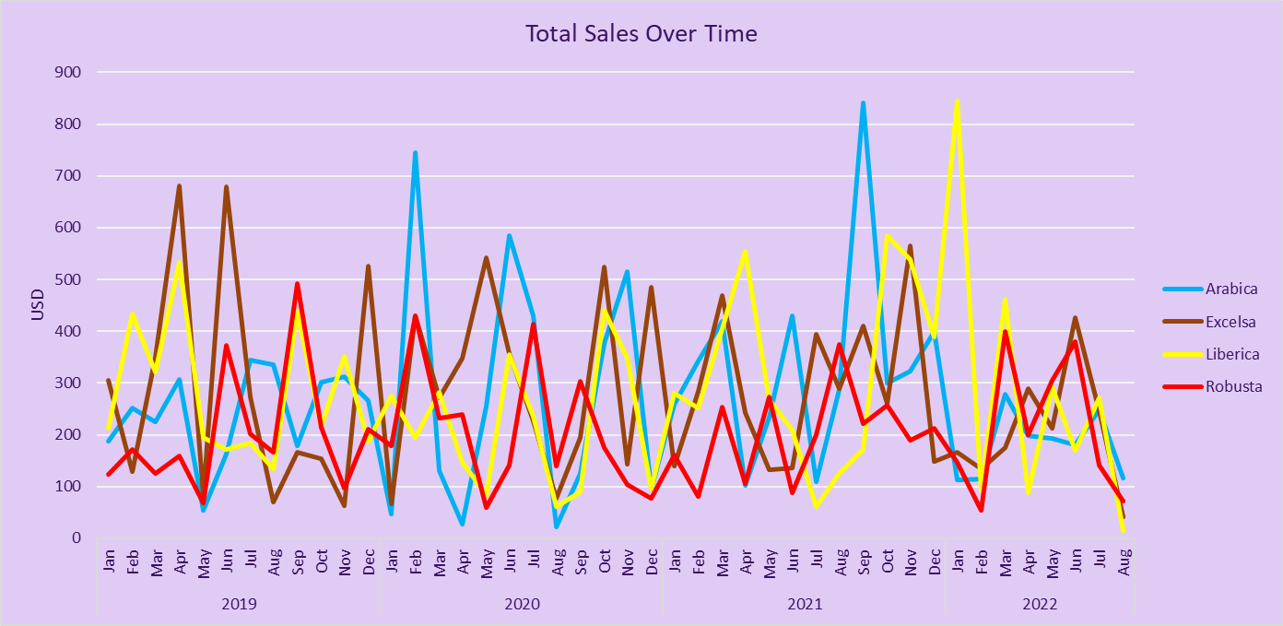
Sales By Country
 | Total
United Kingdom | 2798.505
Ireland | 6696.865
United States | 35638.885

Top 5 Customers
 | Total
Don Flintiff | 278.01
Nealson Cuttler | 281.675
Terri Farra | 289.11
Brenn Dundredge | 307.045
Allis Wilmore | 317.07

Country sales
Country name | Sum of Sales
Ireland | $6,696.86
United Kingdom | $2,786.13
United States | $35,638.88
Grand Total | $45,121.88

Sales By Country
 | Total
United Kingdom | 2798.505
Ireland | 6696.865
United States | 35638.885

